Notes
What is the ROP calculator?
This calculator has been developed by the National Neonatal Audit Programme (NNAP) team at the Royal College of Paediatrics and Child Health (RCPCH) to help identify the required ROP screening windows for babies who are born at less than 31 weeks gestational age or who are born with a birthweight of less than 1501 grams. |  | 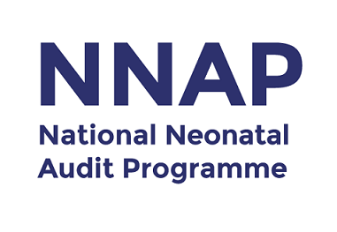 | 

What guidelines does it use and where can I find them?
This calculator uses the March 2022 Screening of retinopathy of prematurity (ROP) - clinical guidelines. Details of which can be found at:
https://www.rcpch.ac.uk/resources/screening-retinopathy-prematurity-rop-clinical-guideline
Figure 1. shows the Guidelines as displayed in the NNAP 2022 Measures Guide.

How can I use it?
To use the calculator click on the Calculator tab and enter a baby's gestational age in weeks and days, birthweight and date of birth. The calculator will then calculate the required screening window in days and dates.

How does it work? | Figure 1. NNAP ROP guidelines from the 2022 NNAP Measures Guide.
The Logic tab works by calculating the number of days required to meet 31 (Cell A2) and 36 (Cell C2) weeks PMA, then selecting if these totals are greater (Cell B2) or less than (Cell D2) 28 days. Cell E2 then picks one of these totals depending on the gestational age of birthweight of the baby. This total is replicated in the Calculator tab in Window start (Cell C11) and 6 days are added to it to get the Window end (Cell C12). Finally, these totals are added to the Date of Birth to get the window start and end dates.

Can we copy out the formulas in calculator to use in our own workbooks?
Yes, the sheet with formulas is hidden by default but is not locked or password protected and you are free to copy these formulas for use in local workbooks.

Disclaimer
The results provided by this calculator are only indicative and should never be used in place of, or in opposition to, guidance from qualified medical professionals. If you have any feedback about this calculator, please get in touch with us by emailing nnap@rcpch.ac.uk.

Version 0.1 BETA, 07 April 2022

